Лист1
Site — https://cngdelivery.com/ | Category | Label | Value

 | Bug ID | ID | 1 | 2 | 3 | 4 | 5 | 6 | 7 | 8 | 9 | 10 | 11 | 12 | 13
Test date — 09/12/22 |  | Name | et_search_icon Position defect | Contact Us Resources Overlapp | Translate Full Site Overlapp email | Tables Scaling defect | Create An Account Inactive | Footer Contact Us Inactive | Body texbox contact us Wrong redirection | Free Quote no requirements check | RNG Supply Chain Diagram Missing image/box | Application / Resources Dropmenu link inactive | Top CNG trailers manufacturers Broken links | Footer Social media links Inactive | Texbox and button colors defect
Chrome x64 105.0.5195.102 |  | Reporter | / | / | / | / | / | / | / | / | / | / | / | / | /
Windows 10 x64 19044.1889 |  | Submite Date | 2022-12-09 | 2022-12-09 | 2022-12-09 | 2022-12-09 | 2022-12-09 | 2022-12-09 | 2022-12-09 | 2022-12-09 | 2022-12-09 | 2022-12-09 | 2022-12-09 | 2022-12-09 | 2022-12-09
Reporter — A.Z. | Bug overview | Summary | Scale breakpoint Head 1208x800px | Scale breakpoint Head 1158x800px 1062x800px | Scale breakpoint Head 705x800px | Scale breakpoint Body 1200x800px | / | / | / | / | / | / | / | / | /
 |  | URL | https://cngdelivery.com/ | https://cngdelivery.com/ | https://cngdelivery.com/ | https://cngdelivery.com/cng-trailer2/ | https://cngdelivery.com/partnerlogin/ | https://cngdelivery.com/partnerlogin/ | https://cngdelivery.com/partnerlogin/ | https://cngdelivery.com/free-quote/ | https://cngdelivery.com/rngdelivery/ | https://cngdelivery.com/ | https://cngdelivery.com/cng-trailer2/ | https://cngdelivery.com/ | https://cngdelivery.com/
 |  | 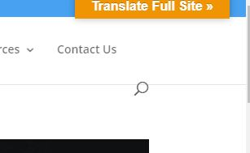 Screenshot |  |   |  | 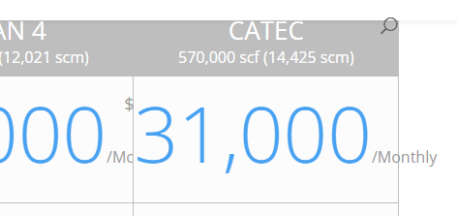 | 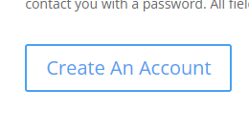 |  |  | 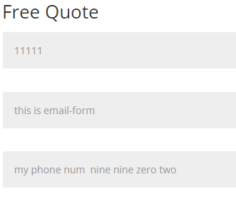 |  |  | 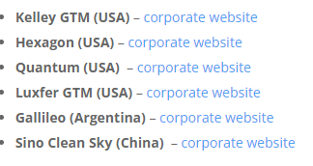 |  | 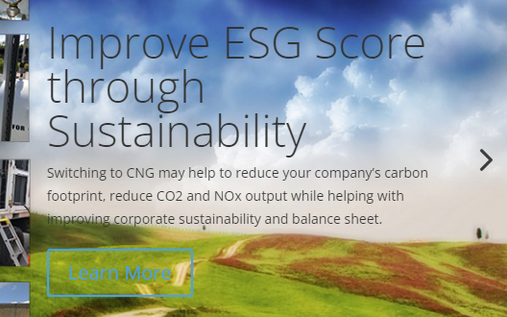
 | Environment | Platform | / | / | / | / | / | / | / | / | / | / | / | / | /
 |  | Operating System | / | / | / | / | / | / | / | / | / | / | / | / | /
 |  | Browser | / | / | / | / | / | / | / | / | / | / | / | / | /
 | Bug details | Steps to reproduce | Horizontal res lower then 1209px | Horizontal res lower then 1158px | Horizontal res lower then 705px | Horizontal res lower then 1200px | click on Create An Account | click on Contact Us | click on Contact Us inside textbox | open free-quote page | open rngdelivery page > Scroll down main body | Home page > Click on Application / Resources | open cng-trailer2 page > Scroll down main body | open main page > Scroll down to footer | open main page > Click et_pb_slide_description box
 |  | Expected result | correct position | correct position | et-info-email box readiable and usable | Text and box both scaling | open create form for new user | open contact form / open contact-us page | open contact-us page | form will check req for entered data And not allow to enter inappropriate data e.t. email without @, letters for number | see image/box With RNG Supply Chain Diagram | similar to Solutions dropmenu - Open first position from dropmenu | open site | open social media page | comfortable to read text Button are visible well
 |  | Actual result | uncorrect position | overlapp site logo | Translate box overlapp et-info-email | Box starts scale Text not scale | inactive | inactive | open inactive contact-us-2 page | form allow to enter any type of data | Missing image/box text | inactive | wrong link / non secure site / missing pages | inactive | text and button barely visible
 |  | Description | / | / | / | / | / | / | / | / | / | / | / | / | /
 | Bug tracking | Severity | Minor | Minor | Minor | Major | Blocker | Blocker | Critical | Blocker | Minor | Blocker | Minor | Blocker | Minor
 |  | Assigned to | / | / | / | / | / | / | / | / | / | / | / | / | /
 |  | Priority | low | low | low | low | high | mid | mid | mid | low | low | low | low | low
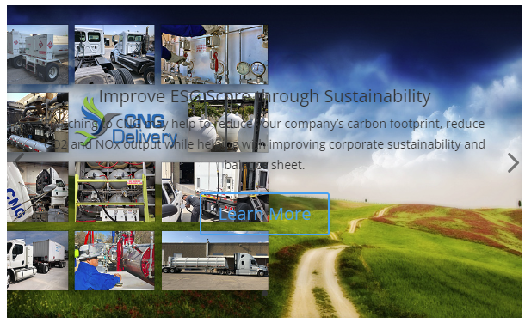
 | Notes | Notes | / | The inherited problem is related to a defect in the CNG Delivery logo location. Moving CNG Delivery logo to the left will fix this bug. | / | / | / | / | / | / | / | / | Kelley GTM Hexagon Luxfer GTM Sino Clean Sky | / | At horizontal breackpoint 767px text overlapping the image (as planned) but it becomes fully unreadable

